Defect Trends- ATM
Defect Trends by Slaughterhouse (ATM post-freeze inspection)
Defect-centric view: how each canonical defect category behaves over time at each slaughterhouse. Within Martins, male (666540) and female (666541) parts are combined — the per-part breakdown lives in the Defect Pivot sheets. All counts pull via SUMIFS from Master Data, so editing Master Data will propagate here.

MARTINS — defect counts over time
Defect (canonical) | 2026-02-09 | 2026-02-23 | 2026-03-02 | 2026-03-09 | 2026-03-16 | 2026-03-23 | 2026-03-30 | 2026-04-06 | 2026-04-13 | 2026-04-20 | 2026-05-04 | 2026-05-11 | 2026-05-28 | Total
Critical Mesentery Hole/Laceration (>0.5") | 1 | 17 | 45 | 6 | 22 | 26 | 12 | 12 | 6 | 18 | 4 | 1 | 1 | 171
Non-Critical Mesentery Hole (>1.5") | 0 | 0 | 0 | 0 | 0 | 0 | 0 | 0 | 0 | 0 | 0 | 0 | 0 | 0
Blood Clot | 1 | 10 | 10 | 9 | 4 | 2 | 5 | 5 | 4 | 6 | 3 | 1 | 0 | 60
Bladder Length Oversize (>5.5") | 0 | 1 | 0 | 0 | 0 | 0 | 0 | 0 | 0 | 0 | 0 | 0 | 0 | 1
Bladder Length Undersize | 8 | 5 | 20 | 9 | 0 | 0 | 0 | 0 | 0 | 0 | 0 | 0 | 0 | 42
Urethra Laceration (exposing internal) | 5 | 6 | 19 | 9 | 2 | 10 | 4 | 0 | 0 | 0 | 6 | 1 | 4 | 66
Bladder Laceration (exposing internal) | 3 | 2 | 4 | 4 | 5 | 0 | 0 | 2 | 0 | 0 | 0 | 0 | 0 | 20
Exposed Ureters | 1 | 2 | 0 | 0 | 0 | 0 | 0 | 0 | 0 | 0 | 0 | 0 | 0 | 3
Spoilage | 0 | 0 | 3 | 0 | 0 | 0 | 0 | 1 | 0 | 0 | 1 | 0 | 0 | 5
Mesentery Length from Bladder Neck (≤7") | 0 | 0 | 0 | 0 | 0 | 0 | 0 | 0 | 0 | 0 | 0 | 0 | 0 | 0
Units Received | 150 | 181 | 353 | 221 | 220 | 209 | 227 | 180 | 200 | 170 | 270 | 100 | 270 | 2751
Units Scrapped | 19 | 43 | 100 | 37 | 33 | 38 | 21 | 20 | 10 | 24 | 14 | 3 | 5 | 367
Rejection % | 12.67% | 23.76% | 28.33% | 16.74% | 15.00% | 18.18% | 9.25% | 11.11% | 5.00% | 14.12% | 5.19% | 3.00% | 1.85% | 13.34%

PARKS — defect counts over time
Defect (canonical) | 2026-03-09 | 2026-03-23 | 2026-03-30 | 2026-04-20 | 2026-05-04 | 2026-05-11 | 2026-05-28 | Total
Critical Mesentery Hole/Laceration (>0.5") | 1 | 4 | 2 | 22 | 2 | 187 | 0 | 218
Non-Critical Mesentery Hole (>1.5") | 0 | 0 | 0 | 0 | 0 | 0 | 0 | 0
Blood Clot | 1 | 0 | 0 | 0 | 0 | 0 | 0 | 1
Bladder Length Oversize (>5.5") | 0 | 0 | 1 | 4 | 0 | 0 | 0 | 5
Bladder Length Undersize | 0 | 0 | 0 | 0 | 0 | 0 | 0 | 0
Urethra Laceration (exposing internal) | 0 | 2 | 2 | 3 | 0 | 2 | 0 | 9
Bladder Laceration (exposing internal) | 0 | 0 | 0 | 0 | 0 | 0 | 0 | 0
Exposed Ureters | 0 | 0 | 0 | 0 | 0 | 0 | 0 | 0
Spoilage | 0 | 0 | 0 | 0 | 0 | 0 | 0 | 0
Mesentery Length from Bladder Neck (≤7") | 0 | 0 | 2 | 10 | 2 | 6 | 0 | 20
Units Received | 15 | 22 | 15 | 118 | 30 | 220 | 7 | 427
Units Scrapped | 2 | 6 | 7 | 39 | 4 | 195 | 0 | 253
Rejection % | 13.33% | 27.27% | 46.67% | 33.05% | 13.33% | 88.64% | 0.00% | 59.25%

TOP 5 MOST RECURRING DEFECTS (by total count, all parts combined)
Rank | Defect (canonical) | Martins count | Parks count | Total count | % of all scrap
1 | Critical Mesentery Hole/Laceration (>0.5") | 171 | 218 | 389 | 62.6%
2 | Urethra Laceration (exposing internal) | 66 | 9 | 75 | 12.1%
3 | Blood Clot | 60 | 1 | 61 | 9.8%
4 | Bladder Length Undersize | 42 | 0 | 42 | 6.8%
5 | Bladder Laceration (exposing internal) | 20 | 0 | 20 | 3.2%

Note: 'Mesentery Length from Bladder Neck (≤7")' is a NEW SPEC effective 2026-03-30 and a dominant Parks defect — trajectory matters more than cumulative count.
Martins — Top 5 Defects Over Time

Parks — Top 5 Defects Over Time

Defect Atlas
Defect Atlas — Visual Reference
Visual reference for inspector training and supplier feedback. Each section pairs the defect category with the original IQC reference photo. Use the right-hand column to record which canonical defect category each photo maps to.

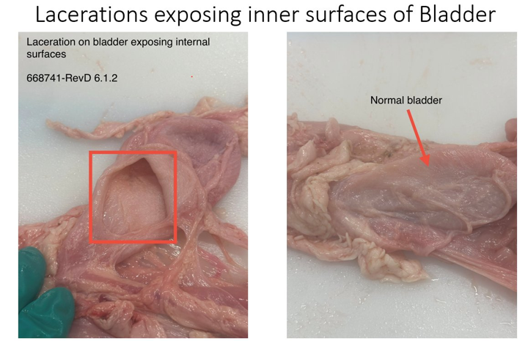
1. Bladder Laceration exposing internal surfaces
Reference photo | Canonical defect category | Inspector notes
 | Bladder Laceration (exposing internal) | Per spec 668741-RevD §6.1.2. Right-hand panel shows a normal bladder for contrast. Exposing the inner mucosa is the disqualifier — surface scratches that do not penetrate are acceptable.

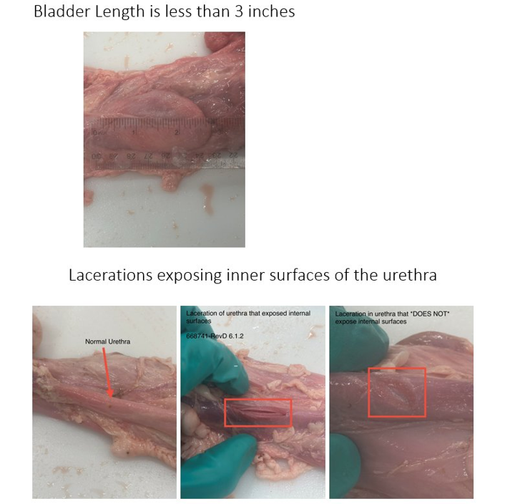
2. Bladder Length Undersize + Urethra Laceration
Reference photo | Canonical defect category | Inspector notes
 | Bladder Length Undersize / Urethra Laceration (exposing internal) | Top: bladder measured below the lower spec limit (was <3", relaxed to <2" on 2026-03-23). Bottom: urethral laceration that exposes the lumen vs one that does not. Only lumen-exposing lacerations are scrapped.

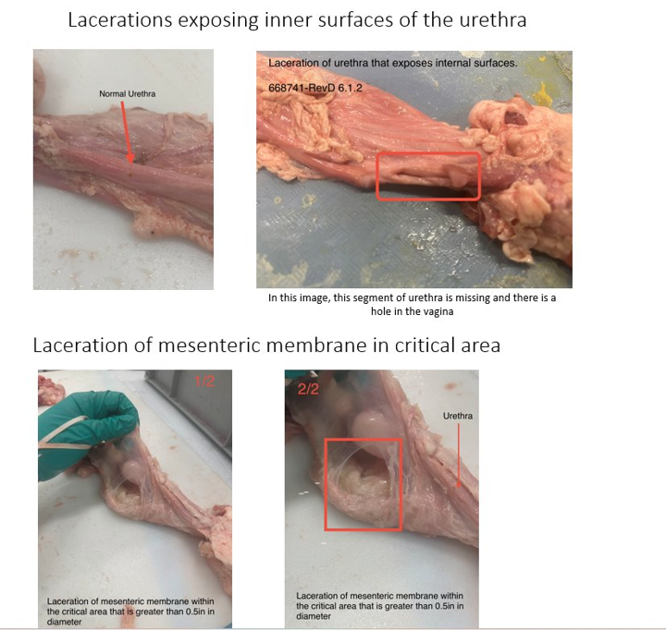
3. Urethra Laceration + Mesentery Laceration in critical area
Reference photo | Canonical defect category | Inspector notes
 | Urethra Laceration (exposing internal) / Critical Mesentery Hole/Laceration (>0.5") | Top-right: a missing urethral segment with a corresponding hole in the vagina — full disqualifier. Bottom: mesenteric membrane perforation in the critical area exceeding 0.5" diameter.

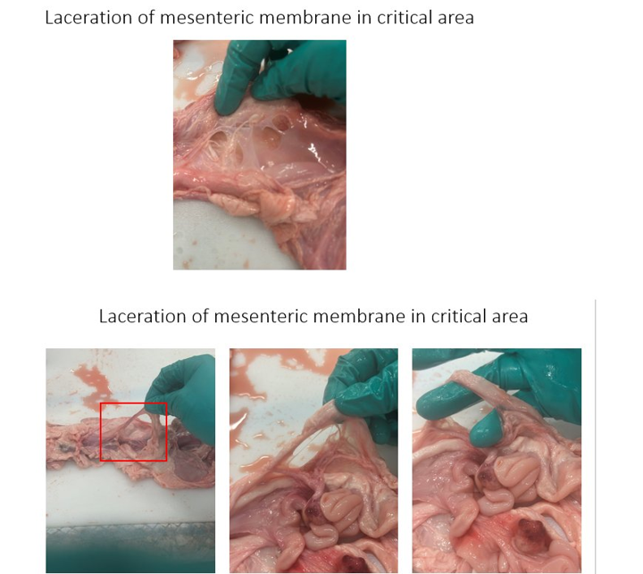
4. Mesentery Laceration in critical area
Reference photo | Canonical defect category | Inspector notes
 | Critical Mesentery Hole/Laceration (>0.5") | Multiple holes visible in the critical zone. Common at Martins early in the period (17 units on 2026-02-23) and again on 2026-03-16 (18 units) and 2026-04-20 (18 units). Pattern suggests harvest tool / technique variability rather than animal variability.

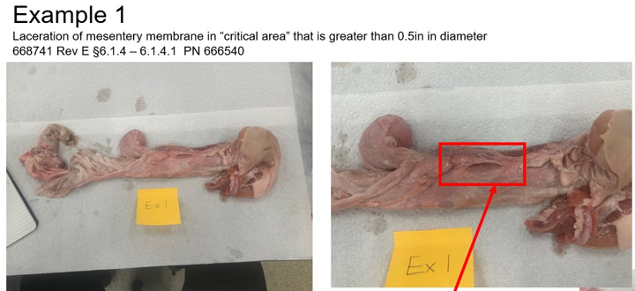
5. Mesentery Critical Area — Example 1 (PN 666540 Male)
Reference photo | Canonical defect category | Inspector notes
 | Critical Mesentery Hole/Laceration (>0.5") | Reference example for the male part. Spec ref: 668741 Rev E §6.1.4 – 6.1.4.1.

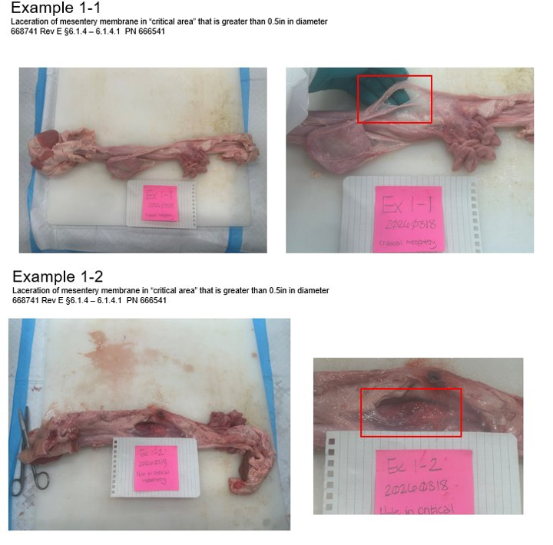
6. Mesentery Critical Area — Examples 1-1 and 1-2 (PN 666541 Female)
Reference photo | Canonical defect category | Inspector notes
 | Critical Mesentery Hole/Laceration (>0.5") | Reference examples for the female part, dated 2026-03-18. Spec ref: 668741 Rev E §6.1.4 – 6.1.4.1. Useful for inspector calibration sessions.

